Info
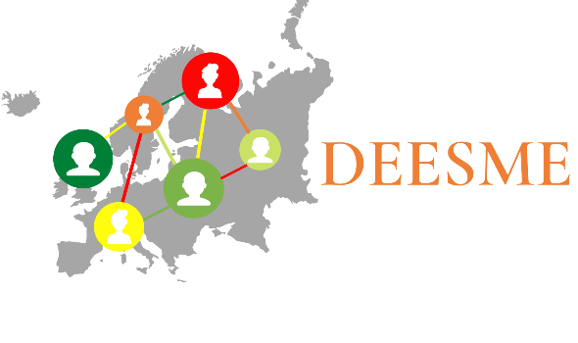

National schemes for energy efficiency in SMEs

Tool for the implementation of the Multiple Benefits (MB) approach

DEESME is an EU Horizon 2020-funded project that aims to guide SMEs and national authorities through the energy
transition by taking advantage of multiple benefits and energy management approaches.
The Multiple Benefits (MB) approach regards energy efficiency measures and decisions in the wider context of business
management and highlights the multiple business and non-energy benefits that can derive complementarily from
the development of energy audits and energy management systems.

Version: | 1.0

Aim: | This file contains the tool for the implementation of the Multiple Benefits (MB) approach.
 | It consists of 6 steps, each of which is being developed in a separate sheet:

 | Step 1 | Business model analysis
 | Step 2 | Cost structure analysis
 | Step 3 | Energy audit
 | Step 4 | Carbon footprint calculation
 | Step 5 | Multiple Benefits identification & evaluation
 | Step 6 | Business Model Sustainability Advancement

Copyright | © DEESME project, 2021 (www.deesme.eu)
 | All rights reserved; no part of this document may be translated, reproduced, stored in a retrieval
 | system, or transmitted in any form or by any means, electronic, mechannical, photocopying, re-
 | cording or otherwise, without the written permission of the publisher. Many of the designations
 | used by manufacturers and sellers to distinguish their products are claimed trademarks. The
 | quotation of those designations in whatever way does not imply the conclusion that the use of
 | those designations is legal without the content of the owner of the trademark. The sole
 | responsibility for the document lies with the project. The document does not necessarily
 | reflect the opinion of the European Union.

1.Business Model Canvas
The Business Model Canvas |  | Designed for: |  | Designed by: | Date: | Version: | Documentation:
 |  |  |  |  |  |  | Read Instructions
 |  |  |  |  |  |  | Watch YouTube video

This is a post it! Copy and paste it to the canvas.
Key Partners | Key Activities | Value Propositions |  | Customer Relationships | Customer Segments

Who are our Key Partners? Who are our key suppliers? Which Key Resources are we acquiring from partners? Which Key Activities do partners perform? Defines the network of suppliers and partners necessary for the functioning of the corporate business model. | What Key Activities do our Value Propositions require? Our Distribution Channels? Customer Relationships? Revenue streams? Defines the strategic activities that must be carried out to create and support value propositions, reach customers, maintain relationships with them and generate revenues (e.g. purchase of raw materials, production...) | What value do we deliver to the customer? Which one of our customer’s problems are we helping to solve? What bundles of products and services are we offering to each Customer Segment? Which customer needs are we satisfying? Defines the package of products and services that represents a value (benefits that the customer has from the use of the product or service provided by the company) for a specific customer segment. |  | What type of relationship does each of our Customer Segments expect us to establish and maintain with them? Which ones have we established? How are they integrated with the rest of our business model? How costly are they? Defines the type of relationship that the company establishes with the different customer segments. | For whom are we creating value? Who are our most important customers? Defines the community of customers or businesses that the company is aiming to sell its product or services to.

This is a post it! Copy and paste it to the canvas.

This is a post it! Copy and paste it to the canvas.
 | Key Resources |  |  | Channels

 | What Key Resources do our Value Propositions require? Physical, intellectual, human, financial? Our Distribution Channels? Customer Relationships? Revenue Streams? Defines the strategic assets that a company must have in order to create and support its business model. |  |  | Through which Channels do our Customer Segments want to be reached? How are we reaching them now? How are our Channels integrated? Which ones work best? Which ones are most cost-efficient? How are we integrating them with customer routines? Defines how the company reaches a certain customer segment to present and provide it with its value proposition.

This is a post it! Copy and paste it to the canvas.

Cost Structure |  |  | Revenue Streams

What are the most important costs inherent in our business model? Which Key Resources are most expensive? Which Key Activities are most expensive? Defines the costs that the company will have to incur to make its business model operational. |  |  | For what value are our customers really willing to pay? For what do they currently pay? How are they currently paying? How would they prefer to pay? How much does each Revenue Stream contribute to overall revenues? Defines the revenue streams thart the company obtains from the sale of products/services to a specific Customer Segment. How the company acquires value from the prodice the customer is willing to pay.

Designed by: Business Model Foundry AG (www.businessmodelgeneration.com/canvas)

This is an adapted version of the Business Model Canvas provided by Neos Chronos in order to meet the objectives of the DEESME project

The original version of the Business Model Canvas can be found here: Neos Chronos Limited (https://neoschronos.com/)

6. Sustainable BMC
Sustainable Business Model Canvas |  | Designed for: |  | Designed by: | Date: | Version: | Documentation:
 |  |  |  |  |  |  | Read Instructions
 |  |  |  |  |  |  | Watch YouTube video

This is a post it! Copy and paste it to the canvas.
Key Partners | Key Activities | Value Propositions |  | Customer Relationships | Customer Segments

Can we choose partners with compelling sustainability certifications and social reports? How can we collaborate with stakeholders for the advancement of business sustainability? | How can we improve the efficiency of the key activities? How can we develop sustainable practices (e.g. recycling) in the performance of the key activities? | How can we better respond to customers' lookout for sustainability? What are the opportunities for sustainable business in our market? |  | How can we cultivate the values of sustainability with customers? | What are the social and market trends with regard to sustainability? What are the needs of each customer/customer segmennt related to resource efficiency and sustainability?

This is a post it! Copy and paste it to the canvas.

This is a post it! Copy and paste it to the canvas.
 | Key Resources |  |  | Channels

 | How can we develop sustainability of the key resources? What alternative sustainable resources exist? |  |  | How can we use low impact distribution and communication channels? .

This is a post it! Copy and paste it to the canvas.

Cost Structure |  |  | Revenue Streams

How can we exploit sustainable alternatives in order to deduce cost? How can we exploit sustainable alternatives in order to reduce risks? |  |  | How can we develop innovative financial models for the successful monetization of sustainability opportunities? How can we meet business sustainability and profitability? How can we promote the fair distribution of benefits and profits to all constituents? .

Designed by: Business Model Foundry AG (www.businessmodelgeneration.com/canvas)

This is an adapted version of the Business Model Canvas provided by Neos Chronos in order to meet the objectives of the DEESME project

The original version of the Business Model Canvas can be found here: Neos Chronos Limited (https://neoschronos.com/)

